Table 1
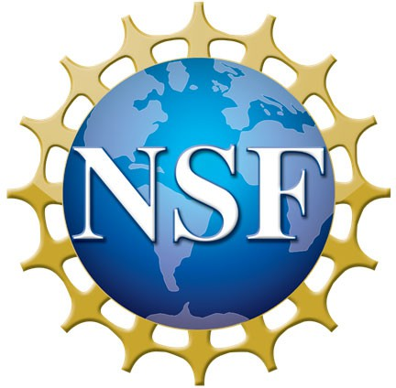
National Science Foundation Summer Research Training Institute IMPROVING R&D IN STEM EDUCATION

